Sprocket
Sprocket Parameters |  | dis is some jokes ting

 | Term- Understandable | Term in Inventor | Unit | Description | Value
 | Teeth- Drive Sprocket | z1 | count | # of teeth on drive sprocket
 | Teeth- Driven Sprocket | z2 | count | # of teeth on driven sprocket
 | Chain pitch | p | mm
 | Center Distance | C | mm
 | Number of chain links | Speed | RPM
 | Pitch Diameter | D_p | mm | Diameter of the driving sprocket based on chain pitch and number of teeth
 | Roller Diameter | d_r | mm | Diameter of the chain roller | #DIV/0!
 | Sprocket center distance | SC | mm | Center to center distance between two sprockets
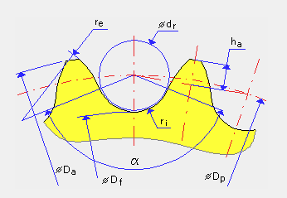
 | Sprocket Width | b_s | mm | Inner width of the chain link (affects sprocket tooth width) | 0
 | Pitch Diameter- Driven Sprocket | D_s | mm | Same as D_p but for the driven/output sprocket | #DIV/0!
 | Addendum radius | r_a | mm | Radius of the sprocket tooth tip (addendum circle) | 0
 | Addendum Diameter- Drive Sprocket | D_a1 | mm | Outer diameter of the Drive sprocket (tip circle) | #DIV/0!
 | Addendum Diameter- Driven Sprocket | D_a2 | mm | Outer diameter of the Driven sprocket (tip circle) | #DIV/0!
 | Tooth root diameter | D_f | mm | Diameter at the base of the sprocket teeth (root circle) | #DIV/0!
 | Number of chain links | k | count | Total number of links in the chain loop | #DIV/0!
 | Transverse Pitch | P_t | mm | Distance between inner link plates (row spacing on multi-strand chain) | 0
 | Face Width | b_f | mm | Usable tooth face width on the sprocket
 | Tooth height- Drive Sprocket | h_a1 | mm | Height of the Drive sprocket tooth above the pitch circle
 | Tooth height- Driven Sprocket | h_a2 | mm | Height of the Driven sprocket tooth above the pitch circle
 | Tooth width at Pitch Circle | b_a | mm | Width of the tooth measured at the pitch circle
 | Flank Radius | r_x | mm | Radius of the concave flank of the sprocket tooth
 | Seating Curve Radius | r_e | mm | Radius of the seating (bottom) curve that cradles the roller
 | Inner tooth radius | r_i | mm | Inner fillet radius at the root of the tooth
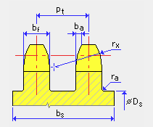
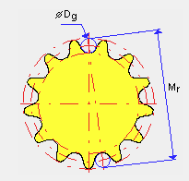
 | Wrap angle | alpha | deg | Angle of wrap of the chain on the sprocket; affects chain tension and slip
 |  | Power ratio | Count | Ratio of design power to rated chain power; must be ≤ 1 for safe design
 | Center distance | D_g | mm | Distance between the centers of the two sprocket shafts
 | Mass moment of Inertia | Inertia moment | kg m^2 | Rotational inertia of the sprocket — relevant for dynamic/start-stop loads
 | Resistant Torque | M_R | mm | Load/resistance torque on the driven sprocket

